General Instructions
General Instructions:
The workbook covers the project specifications and testing procedures for the DER test cases.
1. The 'Project Specifications' worksheet includes the list of attributes of the DER resources to be completed.
1a. The project specifications are to be completed for each aggregated resources and each individual resource that is not part of an aggregate.
1b. The specifications table has been set up for a default of three aggregated and/or individual resources. If more there are more than three resources, please expand the table as needed by copying and pasting the values columns for each additional resource.
1c. The value for power capacity of the resource that is to be provided is the simultaneous aggregated resource peak value (an example is provided below).
2. The 'Outline' worksheet includes a description of the test and test values that are to be filled out.
2a. The test values (expected and measured) are to be completed for each aggregated resources and each individual resource that is not part of an aggregate.
2b. The tables have been set up for a default of four instances of a test. If more there are more than four instances, please expand the tables as needed by copying and pasting the values columns for each additional test instance
2c. The tables have been set up for a default of three aggregated and/or individual resources. If there are more than three resources, please expand the tables as needed by copying and pasting the table for each additional resource.
3. The 'Procedure' worksheet includes a high level description of the steps involved in the test case.
Notes:
For individual resource or aggregation time series data, including metering data, the data shall be recorded and made available to the IESO for the time and duration indicated in the test plan document.
Any data (before, during, and after testing) that can inhibit a resource’s performance when providing the desired sevices should be captured and disclosed in the test case.
Simultaneous Aggregated Resource Peak Example:
Simultaneous aggregated resource peak = the maximum energy demand or output for an aggregation of DERs as constrained by the lesser of local system or resource limits.
The following example shows the difference between the total peak value and the simultaneous aggregated resource peak (considering resource and/or system limitations), value of the project:
Project Description:
A project consists of 6 six electric vehicles (EVs) on a feeder, with a maximum charging power 10 kW for each EV. The maximum number of EVs that will charge simultaneously is 4, due to a limitation of the distribution station transformer.
The total max capacity (i.e. the total peak value) of the project is 60 kW (6 EVs x 10 kW).
The power capacity of the resource (i.e. Simultaneous aggregated resource peak) of the project is 40 kW (4 EVs x 10 kW).
Note: In some projects, the total max capacity equals the power capacity of the resource.
Project Resources - Relationship Types
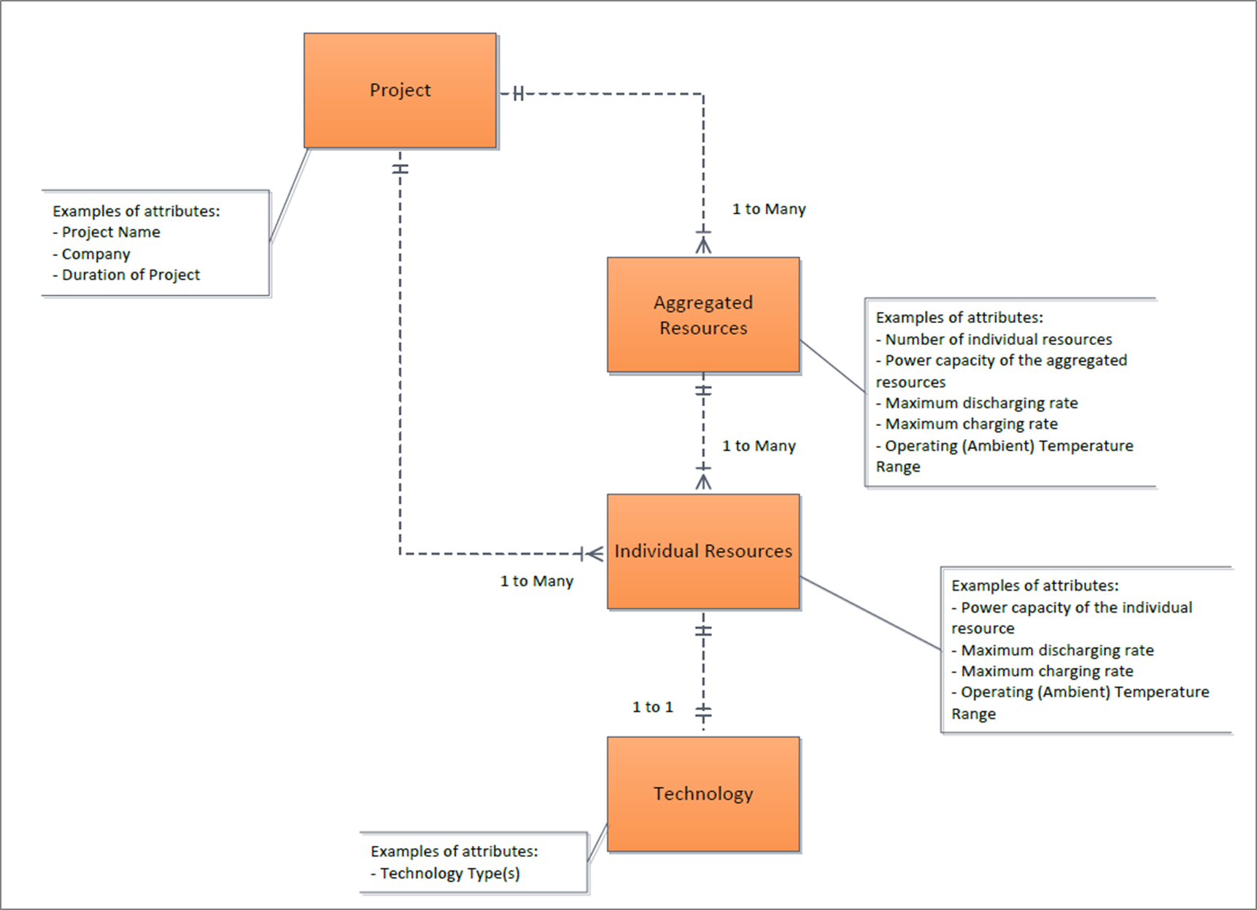
The diagram below illustrates the relationship types between the project, the aggregate resources and the individual resources and also provide examples of attributes that are required.

