FinDispatchDataParameters
 | Separate for Day Ahead and Real-Time markets
# | Parameter | Unit | Description | Formula | Reference value/cost curve
1 | Energy offer | $/MWh | The energy offer reference level will be used to create an energy cost curve consisting of up to 20 price-quantity pairs that will describe short run marginal costs across the range of energy production. The energy cost curve will be consistent with energy offer requirements as specified in Market Rules Chapter 7 Section 3.5.3. | 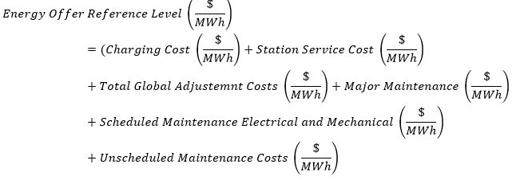 | January | February | March | April | May | June | July | August | September | October | November | December
 |  |  |  |  | $46.37 | $47.47 | $44.17 | $43.07 | $44.17 | $27.67 | $55.17 | $38.67 | $44.17 | $39.77 | $41.97 | $50.77
2 | Operating Reserve (OR) Offer | $/MWh | For an operating reserve offer, the IESO will establish an operating reserve offer reference level curve for each operating reserve offer block. This will include up to 5 non-decreasing values of the operating reserve reference level to form a monotonically increasing cost curve. This operating reserve reference level curve will be used for the conduct and impact testing of the price quantity pairs submitted by the market participant. |  | $1.00
 |  |  | Operating reserve reference levels are determined based on incremental costs incurred by the resource to make the operating reserve capability available.

